How to Use this File 1
This Excel Workbook is a tool to help applicants complete the various application forms.
Please fill out Sheets A and B, print out the necessary application forms, and submit all necessary documents by email to the Fukushima Prefecture Tourism & Local Products Association by the deadline.
In the event that a Land Operator is processing this application on behalf of a tour company, it is necessary to submit 'Form No. 5 Power of Attorney'. This must be submitted after being filled out by the Land Operator and tour company who planned the tour.
How to Use this File to Complete Application Forms (Fiscal Year 2023)
Form No.1
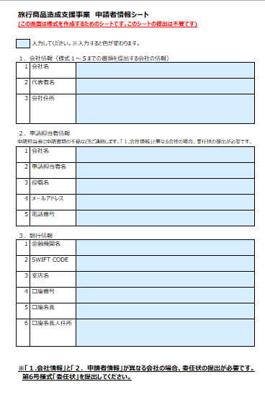
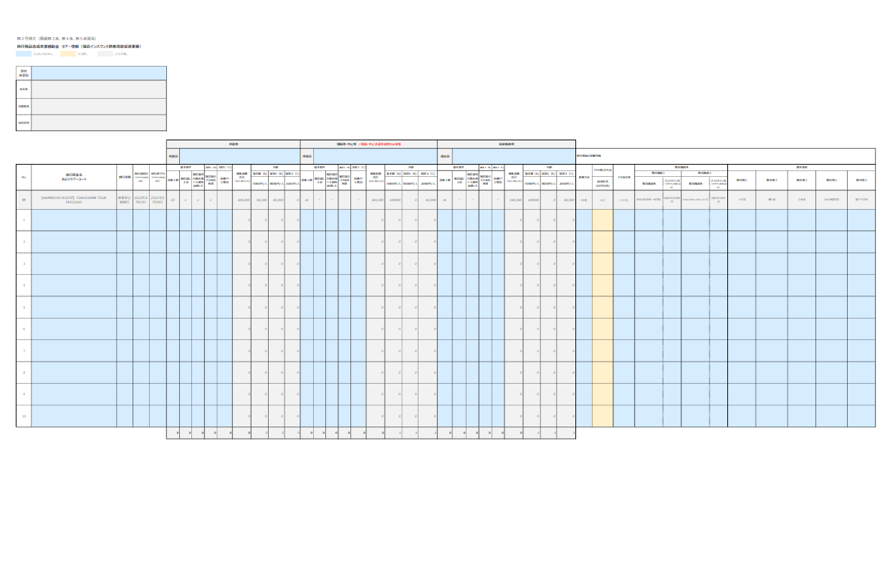
Form No.3

―――――――――――――――――――――――
Name List
――――― ―――――
――――― ―――――
――――― ―――――
――――― ―――――
――――― ―――――
――――― ―――――
――――― ―――――

Form No.4
shien@tif.ne.jp
STEP 4
- Please e-mail the data of the application documents along with the required forms and required attachments to us by the submission deadline.
※In the case of applying with a Power of Attorney, the original Power of Attorney bearing a stamp must be submitted.
※In case of submitting an accommodation certificate (in Japanese 宿泊証明書): Submit the original accommodation certificate issued by and bearing a stamp of the accommodation provider.

STEP 1
Fill out the sheet "Sheet A | Company Info"
STEP 2
- Fill out the sheet "Sheet B | Tour Details ＆ Info" with the required information.
- The blue area is where you need to enter the information.
- The subsidy amount will be automatically calculated.
- After filling the required information, the application form will be completed automatically on a separate sheet.

Q. Where is Hamadori?
Q. What documents need to be submitted in order for my application to be processed?

A. Please submit the documents listed below
Items to submit up to 10 days before to the tour start date
□ Form No. 1: Application
□ Form No. 2: Tour Details and Info
□ Tour Itinerary
□ Proof of Advertising Method
□ Applicant Information Sheet
□ A copy of the business cards of a company representative and a person in charge of the application
□ Copy of the passbook for the bank
account to be transferred into
Items to submit within 14 days of the tour ending
□ Form No. 4: Request for Transfer of Subsidy Amount
□ Form No. 2: Tour Details and Info
□ Final Itinerary
□ Final Tour Participant List
□ Accommodation Receipt
□ In case of having used a bus operator within Fukushima prefecture: A charter bus acceptance form (貸切バス運送引受書 in Japanese) issued by the bus operator
Forms to be submitted in case of change (cancellation) of the application □ Form No. 3: Request for Application Changes (Cancellation)
□ Form No. 2: Tour Details and Info*
□ Documents that can be used to confirm the changes*
*To be submitted in case there is an increase in the grant amount.

A. Hamadori is the name of the eastern, coastal region of Fukushima Prefecture.

The 13 municipalities of the Hamadori region:
Soma City, Minamisoma City, Iwaki City, Shinchi Town, Namie Town, Tomioka Town, Naraha Town, Futaba Town, Okuma Town, Hirono Town, Iitate Village, Kawauchi Village, Katsurao Village.
Items to submit if applying through an appointed representative.
□Form No. 5: Power of Attorney *Only an original copy bearing a stamp will be accepted.

How to Use this File 2
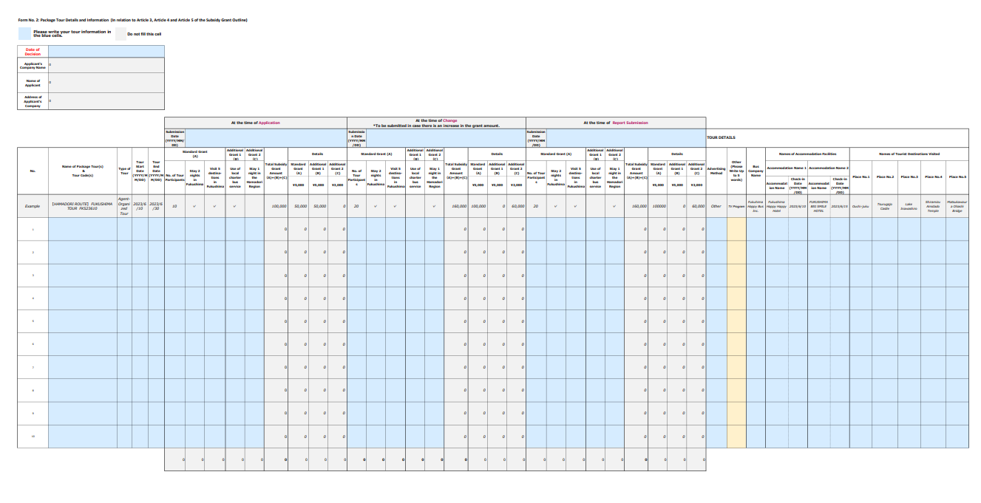
Q.Where do I fill in the form?
↓Areas to be filled in at the time of Application

 | Required

 | Fill in the form again when there are changes.

↓Areas to be filled in at the time of Change/Cancellation

↓Areas to be filled in at the time of Report Submission

Sheet A｜Company Info
Example
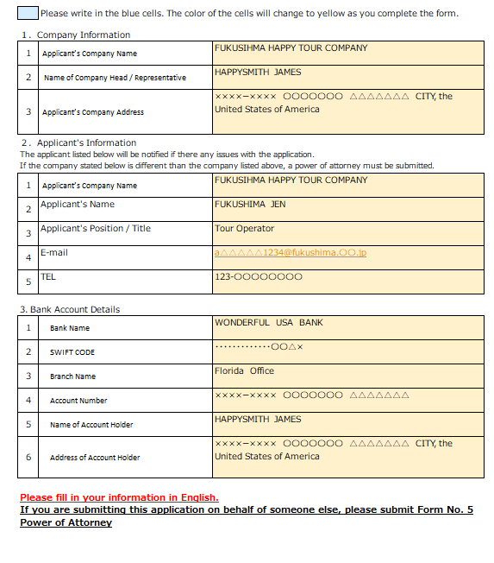
Subsidy Grant Project for Supporting the Creation of Package Tours (Fukushima Prefecture’s Inbound Tourism Promotion Project) Applicant Information Sheet

 | Please write in the blue cells. The color of the cells will change to yellow as you complete the form.

１．Company Information
1 | Applicant’s Company Name
2 | Name of Company Head / Representative
3 | Applicant’s Company Address
２．Applicant's Information
The applicant listed below will be notified if there any issues with the application. If the company stated below is different than the company listed above, a power of attorney must be submitted.
1 | Applicant’s Company Name
2 | Applicant's Name
3 | Applicant's Position / Title
4 | E-mail
5 | TEL
3. Bank Account Details
1 | Bank Name
2 | SWIFT CODE
3 | Branch Name
4 | Account Number
5 | Name of Account Holder
6 | Address of Account Holder

Please fill in your information in English.
If you are submitting this application on behalf of someone else, please submit Form No. 5 Power of Attorney

Sheet B | Tour Details & Info
Please print out this form.
When copying and pasting within the form, paste only the value to avoid formatting issues.
Form No. 2: Package Tour Details and Information (In relation to Article 3, Article 4 and Article 5 of the Subsidy Grant Outline)
Please write your tour information in the blue cells.
Do not fill this cell

Date of Decision
Applicant’s Company Name | 0
Name of Applicant | 0
Address of Applicant’s Company | 0

 |  |  |  |  | At the time of Application |  |  |  |  |  |  |  |  | At the time of Change *To be submitted in case there is an increase in the grant amount. |  |  |  |  |  |  |  |  | At the time of Report Submission
 |  |  |  |  | Submission Date (YYYY/MM/DD) |  |  |  |  |  |  |  |  | Submission Date (YYYY/MM/DD) |  |  |  |  |  |  |  |  | Submission Date (YYYY/MM/DD) |  |  |  |  |  |  |  |  | TOUR DETAILS
No. | Name of Package Tour(s) ＆ Tour Code(s) | Type of Tour | Tour Start Date (YYYY/MM/DD) | Tour End Date (YYYY/MM/DD) | Standard Grant (A) |  |  | Additional Grant 1 （B) | Additional Grant 2 （C) | Total Subsidy Grant Amount （A)+(B)+(C) | Details |  |  | Standard Grant (A) |  |  | Additional Grant 1 （B) | Additional Grant 2 （C) | Total Subsidy Grant Amount （A)+(B)+(C) | Details |  |  | Standard Grant (A) |  |  | Additional Grant 1（B) | Additional Grant 2（C) | Total Subsidy Grant Amount （A)+(B)+(C) | Details |  |  | Advertising Method | Other (Please Write Up to 5 words) | Bus Company Name | Names of Accommodation Facilities |  |  |  | Names of Tourist Destinations Visited
 |  |  |  |  | No. of Tour Participants | Stay 2 nights in Fukushima | Visit 5 destina- tions in Fukushima | Use of local charter bus service | Stay 1 night in the Hamadori Region |  | Standard Grant （A) | Additional Grant 1 (B) | Additional Grant 2 (C) | No. of Tour Participants | Stay 2 nights in Fukushima | Visit 5 destina- tions in Fukushima | Use of local charter bus service | Stay 1 night in the Hamadori Region |  | Standard Grant （A) | Additional Grant 1 (B) | Additional Grant 2 (C) | No. of Tour Participants | Stay 2 nights in Fukushima | Visit 5 destina- tions in Fukushima | Use of local charter bus service | Stay 1 night in the Hamadori Region |  | Standard Grant （A) | Additional Grant 1 (B) | Additional Grant 2 (C) |  |  |  | Accommodation Name 1 |  | Accommodation Name 2 |  | Place No.1 | Place No.2 | Place No.3 | Place No.4 | Place No.5
 |  |  |  |  |  |  |  |  |  |  | ¥5,000 | ¥5,000 | ¥3,000 |  |  |  |  |  |  | ¥5,000 | ¥5,000 | ¥3,000 |  |  |  |  |  |  | ¥5,000 | ¥5,000 | ¥3,000 |  |  |  | Accommodation Name | Check-in Date (YYYY/MM/DD) | Accommodation Name | Check-in Date (YYYY/MM/DD)
Example | 【HAMADORI ROUTE】 FUKUSHIMA TOUR FKS23610 | Agent-Organized Tour | 2023-06-10 | 2023-06-30 | 10 | ✓ | ✓ | ✓ |  | 100,000 | 50,000 | 50,000 | 0 | 20 | ✓ | ✓ |  | ✓ | 160,000 | 100,000 | 0 | 60,000 | 20 | ✓ | ✓ |  | ✓ | 160,000 | 100000 | 0 | 60,000 | Other | TV Program | Fukuhima Happy Bus Inc. | Fukushima Happy Happy Hotel | 2023-06-10 | FUKUSHIMA BIG SMILE HOTEL | 2023-06-15 | Ouchi-juku | Tsurugajo Castle | Lake Inawashiro | Shiramizu Amidado Temple | Matsukawaura Ohashi Bridge
1 |  |  |  |  |  |  |  |  |  | 0 | 0 | 0 | 0 |  |  |  |  |  | 0 | 0 | 0 | 0 |  |  |  |  |  | 0 | 0 | 0 | 0
2 |  |  |  |  |  |  |  |  |  | 0 | 0 | 0 | 0 |  |  |  |  |  | 0 | 0 | 0 | 0 |  |  |  |  |  | 0 | 0 | 0 | 0
3 |  |  |  |  |  |  |  |  |  | 0 | 0 | 0 | 0 |  |  |  |  |  | 0 | 0 | 0 | 0 |  |  |  |  |  | 0 | 0 | 0 | 0
4 |  |  |  |  |  |  |  |  |  | 0 | 0 | 0 | 0 |  |  |  |  |  | 0 | 0 | 0 | 0 |  |  |  |  |  | 0 | 0 | 0 | 0
5 |  |  |  |  |  |  |  |  |  | 0 | 0 | 0 | 0 |  |  |  |  |  | 0 | 0 | 0 | 0 |  |  |  |  |  | 0 | 0 | 0 | 0
6 |  |  |  |  |  |  |  |  |  | 0 | 0 | 0 | 0 |  |  |  |  |  | 0 | 0 | 0 | 0 |  |  |  |  |  | 0 | 0 | 0 | 0
7 |  |  |  |  |  |  |  |  |  | 0 | 0 | 0 | 0 |  |  |  |  |  | 0 | 0 | 0 | 0 |  |  |  |  |  | 0 | 0 | 0 | 0
8 |  |  |  |  |  |  |  |  |  | 0 | 0 | 0 | 0 |  |  |  |  |  | 0 | 0 | 0 | 0 |  |  |  |  |  | 0 | 0 | 0 | 0
9 |  |  |  |  |  |  |  |  |  | 0 | 0 | 0 | 0 |  |  |  |  |  | 0 | 0 | 0 | 0 |  |  |  |  |  | 0 | 0 | 0 | 0
10 |  |  |  |  |  |  |  |  |  | 0 | 0 | 0 | 0 |  |  |  |  |  | 0 | 0 | 0 | 0 |  |  |  |  |  | 0 | 0 | 0 | 0
 |  |  |  |  | 0 | 0 | 0 | 0 | 0 | 0 | 0 | 0 | 0 | 0 | 0 | 0 | 0 | 0 | 0 | 0 | 0 | 0 | 0 | 0 | 0 | 0 | 0 | 0 | 0 | 0 | 0

Form 1 Apllication
Please print out this form. You can edit this form by editing information input into 'Sheet B | Tour Details and Information' and 'Sheet A | Company Info'

 | Form No. 1 (In relation to Article 3 of the Subsidy Grant Outline)
 |  |  |  |  | 0 |  |  |  | Please complete Application Submission Date in 'Sheet B | Tour Details & Info'

 | For the attention of the President of Fukushima Prefecture Tourism & Local Products Association
 | 公益財団法人福島県観光物産交流協会理事長 様

Application Form for the Subsidy Grant Project for Supporting the Creation of Package Tours (Fukushima Prefecture’s Inbound Tourism Promotion Project)
旅行商品造成支援事業補助金交付申請書（福島インバウンド誘客周遊促進事業）

As detailed below, I wish to create a package as part of Fukushima Prefecture’s Inbound Tourism Promotion Project. In accordance with Article 3 of Outline of the Subsidy Grant Project for Supporting the Creation of Package Tours in Fukushima Prefecture, I am submitting application forms for the purpose of being granted a subsidy. In addition, we pledge to take thorough measures to prevent infection during the tour. 下記のとおり、上記事業を実施したいので、旅行商品造成支援事業補助金要綱第３条に基づき、補助金を交付されるよう関係書類を添えて申請します。 なお、ツアー中の感染防止対策の徹底を図ることを誓約します。

Applicant Information (申請者):
Address of Applicant’s Company: 会社住所 : |  |  | 0 |  |  |  |  |  | Please complete 'Address of Applicant’s Company' in 'Sheet A | Company Info'
Applicant’s Company Name: 会社名 |  |  | 0 |  |  |  |  |  | Please complete ' Applicant’s Company Name' in 'Sheet A | Company Info'
Name of Applicant: 代表者名: |  |  | 0 |  |  |  |  |  | Please complete ' Name of Applicant' in 'Sheet A | Company Info'

1 |  | Amount of Subsidy Being Applied for: |  | 0 |  | JPY |  |  | Please complete 'Sheet B | Tour Details & Info'
 |  | 支援金交付申請額

2 |  | Travel Period : |  | 0 |  |  | - | 0 | Please complete 'Tour Start Date' in 'Sheet B | Tour Details & Info'
 |  | 申請旅行期間 |  |  |  |  |  |  | Please complete 'Tour End Date' in 'Sheet B | Tour Details & Info'

4 |  | Accompanying Documents / 添付書類 :
 | (1) Form No.2 : Package Tour Details and Information / ツアー情報（第２号様式） (2) Tour Itinerary / 旅程表 (3) A document used to advertise the tour with details of the offering / 募集内容が確認できる資料 (4) Applicant Information Sheet / 旅行商品造成支援補助金申請者情報シート (5) A copy of the business cards of a company representative and a person in charge of the application / 申請代表者及び担当者の名刺の写し (6) Copy of the passbook for the bank account to be transferred into / 振込口座の通帳の写し

Form 3 Request Changes
Please print out this form. You can edit this form by editing information input into 'Sheet B | Tour Details and Information' and 'Sheet A | Company Info'

 | Form No. 3A (In relation to Article 4 of the Subsidy Grant Outline)
 |  |  |  |  |  |  |  | 0 |  |  |  | Please complete Changes Submission Date in 'Sheet B | Tour Details & Info'

 | For the attention of the President of Fukushima Prefecture Tourism & Local Products Association
 | 公益財団法人福島県観光物産交流協会理事長 様

Request for Approval of Change (Cancellation) of the Subsidy Grant Amount (Fukushima Prefecture’s Inbound Tourism Promotion Project)
旅行商品造成支援補助金変更（中止）承認申請書（福島インバウンド誘客周遊促進事業）

As detailed below, I would like to change the project plans for the above package tour, and am therefore applying in accordance with Article 4 of the Outline of the Subsidy Grant Project for Supporting the Creation of Package Tours in Fukushima Prefecture. 下記のとおり、上記事業の事業計画を変更したいので、旅行商品造成支援事業補助金要綱第４条に基づき、承認してくださるよう申請します。

Applicant Information (申請者):
Address of Applicant’s Company: 会社住所 : |  |  |  |  |  |  | 0 |  |  |  |  | Please complete 'Address of Applicant’s Company' in 'Sheet A | Company Info'
Applicant’s Company Name: 会社名 |  |  |  |  |  |  | 0 |  |  |  |  | Please complete ' Applicant’s Company Name' in 'Sheet A | Company Info'
Name of Applicant: 代表者名: |  |  |  |  |  |  | 0 |  |  |  |  | Please complete ' Name of Applicant' in 'Sheet A | Company Info'

1 |  | Date of Decision 交付決定日
 |  | 0 |  |  |  |  |  |  |  |  |  | Please complete ‘Date of Decision' in 'Sheet B | Tour Details & Info

2 |  | Travel Period
 |  |  | 0 | - | 0 |  |  |  |  |  |  | Please complete 'Tour Start Date' in 'Sheet B | Tour Details & Info'
 |  |  |  |  |  |  |  |  |  |  |  | Please complete 'Tour End Date' in 'Sheet B | Tour Details & Info'
3 |  | Reason for Change in Application / 変更の理由
Please type directly into this sheet.
4 |  | Details regarding Change / 変更の内容
 |  | Prior to Change / 変更前 |  |  |  | No. of Participants / 補助対象人数 |  |  | ： | 0 | PEOPLE | Please complete 'At the time ofApplication' in 'Sheet B | Tour Details & Info'
 |  |  |  |  |  | Subsidy Amount / 補助金額 |  |  | ： | 0 | JPY | Please complete 'At the time ofApplication' in 'Sheet B | Tour Details & Info'
 |  | After Change / 変更後 |  |  |  | No. of Participants / 補助対象人数 |  |  | ： | 0 | PEOPLE | Please complete 'At the time of Change/Cancellation' in 'Sheet B | Tour Details & Info'
 |  |  |  |  |  | Subsidy Amount / 補助金額 |  |  | ： | 0 | JPY | Please complete 'At the time of Change/Cancellation' in 'Sheet B | Tour Details & Info'

Form 4 Subsidy Transfer Request
Please print out this form. You can edit this form by editing information input into 'Sheet B | Tour Details and Information' and 'Sheet A | Company Info'
 | Form No. 4 (In relation to Article 5 of the Subsidy Grant Outline)
 |  |  |  |  |  |  |  |  | 0 | Please complete Cancellation Submission Date in 'Sheet B | Tour Details & Info'

For the attention of the President of Fukushima Prefecture Tourism & Local Products Association
公益財団法人福島県観光物産交流協会理事長 様

Report on the Results of Travel Product Creation Support Project and Invoice
旅行商品造成支援補助金実績報告書兼請求書（福島インバウンド誘客周遊促進事業）

I conducted the package tour, as detailed below, as part of the Fukushima Prefecture’s Inbound Tourism Promotion Project. In accordance with Article 5 of ｔｈｅ Ｏｕｔｌｉｎｅ of the Subsidy Grant Project for Supporting the Creation of Package Tours in Fukushima Prefecture, I am reporting the results of this tour. Please transfer the subsidy amount to the bank account listed below, upon the completed examination of this package tour report. 下記のとおり、上記事業を実施したので、旅行商品造成支援事業補助金交付要綱第５条に基づき、その実績を報告します。 ご確認の上は、下記口座まで補助金をお振込みくだいますようお願い申し上げます。

Applicant Information (申請者):
Address of Applicant’s Company: 会社住所 : |  |  |  | 0 |  |  |  |  |  | Please complete 'Address of Applicant’s Company' in 'Sheet A | Company Info'
Applicant’s Company Name: 会社名 |  |  |  | 0 |  |  |  |  |  | Please complete ' Applicant’s Company Name' in 'Sheet A | Company Info'
Name of Applicant: 代表者名: |  |  |  | 0 |  |  |  |  |  | Please complete ' Name of Applicant' in 'Sheet A | Company Info'
Stamp or Signature
1 |  | Decided Amount of Subsidy to be Granted |  |  | 0 | JPY
 |  | 補助金の決定額 |  |  |  |  |  |  |  | Please complete 'Sheet B | Tour Details & Info'
2 |  | Travel Period: |  |  | 0 |  | - | 0 |  | Please complete 'Tour Start Date' in ''Sheet B | Tour Details & Info'
 |  | 申請旅行期間
4 |  | Accompanying Documents / 添付書類 :
 |  | (1) | Form No.2 : Package Tour Details and Information
 |  | (2) | Final Itinerary / 最終旅程表
 |  | (3) | Final Tour Participant List / 最終参加者リスト
 |  | (4) | Accommodation Receipt / 宿泊証明書
 |  | (5) | In case of having used a bus operator within Fukushima prefecture: A charter bus acceptance form (貸切バス運送引受書 in Japanese) issued by the bus operator, or a copy of the receipt. /（福島県内のバス会社を利用した場合）福島県内の営業所で発行された貸切バス運送引受書または領収書の写し
5 |  | Bank Account Details / 振込口座情報
 |  | (1) | Bank Name: 金融機関名 |  |  |  |  |  |  | Please complete 'Bank Name' in 'Sheet A | Company Info'
 |  | (2) | SWIFT CODE: |  |  |  |  |  |  | Please complete 'SWIFT CODE' in 'Sheet A | Company Info'
 |  | (3) | Branch Name: 支店名 |  |  |  |  |  |  | Please complete 'Branch Name' in 'Sheet A | Company Info'
 |  | (4) | Account Number: 口座番号 |  |  |  |  |  |  | Please complete 'Account Number' in 'Sheet A | Company Info'
 |  | (5) | Name of Account Holder: 口座名義 |  |  |  |  |  |  | Please complete 'Name of Account Holder' in 'Sheet A | Company Info'
 |  | (6) | Address of Account Holder: 口座名義人住所 |  |  |  |  |  |  | Please complete 'Address of Account Holder' in 'Sheet A | Company Info'

Form 5 Power of Attorney
This below sheet is for the applicant and the appointed representative to complete. Please type the information directly into this sheet, and print it out.
 | Form No. 5 (In relation to Article 6 of the Subsidy Grant Outline)

Stamp and send this document in its original form.
Power of Attorney form
委任状

Please type directly into this sheet.
I entrust the responsibilities below to the person listed below as my appointed representative.
 |  | Name of Appointed Representative:
 |  | 代表者名
 |  | Appointed Representative’s Workplace Name:
 |  | 代理人の会社名
In this 'Power of Attorney' form, the "Appointed Representative" is the person who will move forward with the paperwork for this application, or the person who will receive the subsidy grant, in the place of the company that planned the tour.
 |  | Appointed Representative’s Workplace Address:
 |  | 代理人の住所

Please click here and choose from the drop-down list.
Entrusted Responsibilities / 委任事項
 | 1 | Relating to the issuance of the Package Tour Creation Support Project Subsidy Grant 旅行商品造成支援事業補助金交付の件
 |  | Completion of the grant application process for the issuance of the subsidy & receipt of the subsidy grant amount / 補助金交付に関する申請手続き一式 と補助金の受取

 | 2 | Application Date /申請書の申請日
 |  | 0

In this 'Power of Attorney' form, the "Applicant" refers to the company which planned the tour.
 | 3 | Travel Period / 申請旅行期間 |  |  | Please complete 'Tour Start Date' in Sheet B | Tour Details & Info'
 |  | 0 | - | 0 | Please complete 'Tour End Date' in Sheet B | Tour Details & Info'

Please type directly into this sheet.
Applicant / 申請者
 |  | Date: (YYYY/MM/DD)
 |  | Address of Applicant’s Company:
 |  | 申請者住所 |  |  | Please complete 'Address of Applicant’s Company' in 'Sheet A | Company Info'
 |  | Company Name: |  |  | Please complete ' Applicant’s Company Name' in 'Sheet A | Company Info'
 |  | 会社名
 |  | Name of Applicant: |  |  | Please complete ' Name of Applicant' in 'Sheet A | Company Info'
 |  | 代表者名

Stamp or Signature
Please press your official company stamp inside the box after printing.
 |  | Official company stamp :

Please type directly into this sheet.
 | Appointed Representative / 代理人
 |  | Date: (YYYY/MM/DD)
 |  | Appointed Representative’s Workplace Address:
 |  | 代理人の住所 |  |  | Please complete 'Appointed Representative’s Workplace Address' in this sheet.

 |  | Appointed Representative’s Workplace Name: |  |  | Please complete 'Appointed Representative’s Workplace Name' in this sheet.
 |  | 代理人の会社名
 |  | Name of Appointed Representative: |  |  | Please complete 'Name of Appointed Representative' in this sheet.
 |  | 代表者名

Stamp or Signature
Please press your official company stamp inside the box after printing.
 |  | Official company stamp

